FFs
Hydrology Frequency Factors

Regional Flood Frequency Procedure (RFFP) |  |  | Index Flood Method (IFM) - Pilbara |  |  |  |  |  | Davies&Yip Frequency Factor

1. Frequency Factor Qy/Q20 (FF) |  |  | 1. Frequency Factor Qy/Q5 (FF)
Area (km2) | Q50/Q20 | Q100/Q20 | Area (km2) | Q2/Q5 | Q5/Q5 | Q10/Q5 | Q20/Q5 | Q50/Q5 | ARI(yrs) | 2 | 5 | 10 | 20 | 50 | 100
0.1 | 1.66 | 2.44 | 1 | 0.55 | 1.00 | 1.58 | 2.40 | 3.90 | Frequency Factor | 0.31 | 1.00 | 1.70 | 2.58 | 4.15 | 5.82
1 | 1.72 | 2.61 | 10 | 0.52 | 1.00 | 1.70 | 2.77 | 4.90
10 | 1.78 | 2.75 | 100 | 0.50 | 1.00 | 1.81 | 3.20 | 6.30
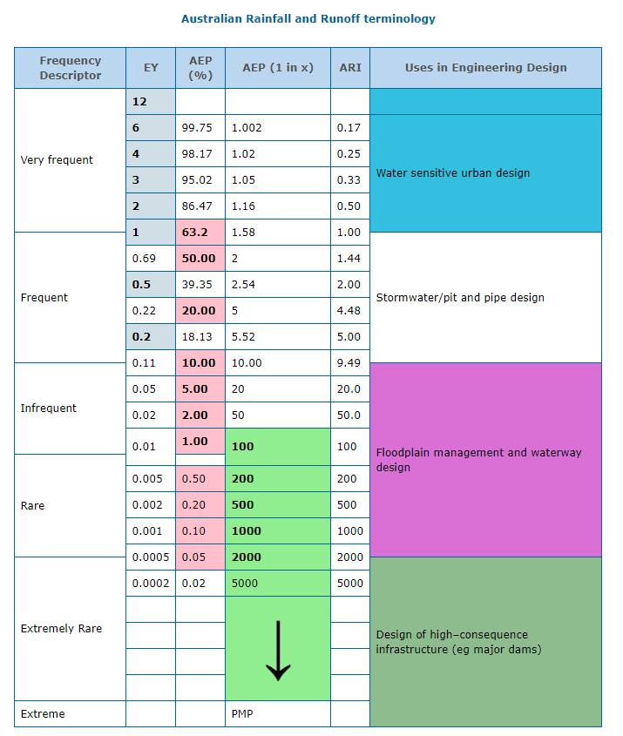
100 | 1.83 | 2.87 | 1000 | 0.48 | 1.00 | 1.94 | 3.70 | 7.90
1000 | 1.88 | 3.03 | 10000 | 0.46 | 1.00 | 2.08 | 4.25 | 9.90
10000 | 1.93 | 3.20
100000 | 2.00 | 3.42 | 2. log(FF)
 |  |  | log(Area) | log(Q2/Q5) | log(Q5/Q5) | log(Q10/Q5) | log(Q20/Q5) | log(Q50/Q5)
2. log(FF) |  |  | 0 | -0.25963731051 | 0 | 0.19865708695 | 0.38021124171 | 0.59106460703
log(Area) | log(Q50/Q20) | log(Q100/Q20) | 1 | -0.28399665637 | 0 | 0.23044892138 | 0.44247976906 | 0.69019608003
-1 | 0.220 | 0.3874 | 2 | -0.30102999566 | 0 | 0.25767857487 | 0.50514997832 | 0.79934054945
0 | 0.236 | 0.4166 | 3 | -0.31875876262 | 0 | 0.28780172993 | 0.56820172407 | 0.89762709129
1 | 0.250 | 0.4393 | 4 | -0.33724216832 | 0 | 0.31806333496 | 0.62838893005 | 0.9956351946
2 | 0.262 | 0.4579
3 | 0.274 | 0.4814 | 3. log(FF)=m*log(A)+b
4 | 0.286 | 0.5051 | ARI (years) | m | b
5 | 0.301 | 0.5340 | 2 | -0.018997182188 | -0.26213861432
 |  |  | 5 | 0 | 0
3. log(FF)=m*log(A)+b |  |  | 10 | 0.029616530457 | 0.19929686871
ARI (years) | m | b | 20 | 0.062207733168 | 0.38047086231
Q50/Q20 | 0.013091474787 | 0.23513887627 | 50 | 0.10165721864 | 0.5914582672
Q100/Q20 | 0.023537061278 | 0.41319211132
 |  |  | 4. FF=A^m*10^b
4. FF=A^m*10^b |  |  | ARI (years) | m | 10^b
ARI (years) | m | 10^b | 2 | -0.018997182188 | 0.54684139898
Q50/Q20 | 0.013091474787 | 1.7184578182 | 5 | 0 | 1
Q100/Q20 | 0.023537061278 | 2.5893580713 | 10 | 0.029616530457 | 1.5823292953
 |  |  | 20 | 0.062207733168 | 2.4014351453
5. FF=A^m*10^b |  |  | 50 | 0.10165721864 | 3.9035367032
ARI (years) | Q50/Q20 | Q100/Q20
m | 0.013091474787 | 0.023537061278 | 5. FF=A^m*10^b
10^b | 1.7184578182 | 2.5893580713 | ARI (years) | Q2/Q5 | Q5/Q5 | Q10/Q5 | Q20/Q5 | Q50/Q5
 |  |  | m | -0.018997182188 | 0 | 0.029616530457 | 0.062207733168 | 0.10165721864
check: |  |  | 10^b | 0.54684139898 | 1 | 1.5823292953 | 2.4014351453 | 3.9035367032
Area (km2) | Q50/Q20 | Q100/Q20
0.1 | 1.67 | 2.45 | check:
1 | 1.72 | 2.59 | Area (km2) | Q2/Q5 | Q5/Q5 | Q10/Q5 | Q20/Q5 | Q50/Q5
10 | 1.77 | 2.73 | 1 | 0.55 | 1.00 | 1.58 | 2.40 | 3.90
100 | 1.83 | 2.89 | 10 | 0.52 | 1.00 | 1.69 | 2.77 | 4.93
1000 | 1.88 | 3.05 | 100 | 0.50 | 1.00 | 1.81 | 3.20 | 6.23
10000 | 1.94 | 3.22 | 1000 | 0.48 | 1.00 | 1.94 | 3.69 | 7.88
100000 | 2.00 | 3.40 | 10000 | 0.46 | 1.00 | 2.08 | 4.26 | 9.96

